Sheet1
M/S JOHNSON BROKERAGE HOUSE
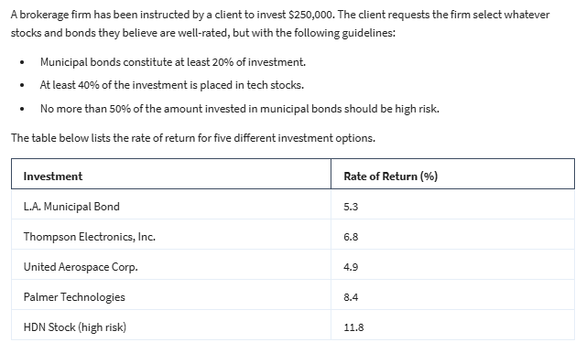
 | X1 | X2 | X3 | X4 | X5
Variable | $50,000 | $0 | $0 | $175,000 | $25,000
 | 5.3% | 6.8% | 4.9% | 8.4% | 11.8% |  | Investment | Rate of Return (%)

 |  |  |  |  |  | X1 | L.A. Municipal Bond | 5.3
Objective(Max); |  |  |  |  |  | X2 | Thompson Electronics, Inc. | 6.8
Actual Return | $20,300.0 |  |  |  |  | X3 | United Aerospace Corp. | 4.9
 |  |  |  |  |  | X4 | Palmer Technologies | 8.4
 |  |  |  |  |  | X5 | HDN Stock (high risk) | 11.8

Constraint Table:
 |  |  |  |  |  | LHS | SIGN | RHS
Budget | 1 | 1 | 1 | 1 | 1 | 250000 | <= | 250000
Muncipal bonds at least 20% | 1 |  |  |  |  | 50000 | >= | 50000
At least 40% in tech stocks |  | 1 | 1 | 1 |  | 175000 | >= | 100000
No more than 50% of amount invested in muncipal at high risk |  |  |  |  | 1 | 25000 | <= | 25000

If we would invest $50,000 in L.A Muncipal bond, $175,000 in Palmer Technologies and $25,000 in HDN stock then we will get maximum returns of $20,300.

We have used Solver tool in solving this problem.

